1. Title Page
[Instacart Grocery Basket Analysis]

Project Name: Instacart Grocery Basket Analysis
Date:
Analyst Name: Andrew Brock

Contents:
Population Flow
Consistency checks
Wrangling steps
Column derivations
Visualizations
Recommendations

Data Citation

“The Instacart Online Grocery Shopping Dataset 2017”, Accessed from www.instacart.com/datasets/grocery-shopping-2017 via Kaggle on 10/26/23.

All personal information used for the analysis has been fabricated for educational use.

2. Population Flow
Title page

Population flow

Exclusion flag
Condition: max_order < 99
Obervations to be removed: 21
Final total count of order_products_all: 30,964,564

Orders_products_combined
Orders_products_merged
Orders_products_all

Total: 32,404,859
Total: 32,434,489
Total: 30,964,564

1.) The grey boxes in the first row of the population flow represent the original data sets as they were when you downloaded them. In the Total fields you need to add the count of the rows when you imported the data set into Jupyter.
2.) The second row of boxes (coloured) represents the data sets after you manipulated them, e.g., removed missing values and duplicates. In the Total fields you need to add the count of the rows after conducting these operations. This offers a visual oveview of how the data flows throughout the data consistency checks.
3.) The third row, where also the arrows are coloured, represents the merges you performed between the datasets. In the Total fields you need to add the count of the rows in the merged datasets, so that you end up with the final dataset (in the red box). Keep in mind the final dataset should be without exclusions (based on the exclusion flag).

3. Consistency checks
 |  |  |  | Title page
Consistency checks

Dataset | Missing values | Missing values treatment | Duplicates
orders | N/A | N/A | N/A
products | 16 product names | dropped | 5 (product_id: 462, 18458, 26808, 35306, 35491)
orders_products_prior | N/A | N/A | N/A
customers | first names | left them alone | no duplicates
customers | order number = 1 | Left them alone | days since prior order for customers with order number = 1makes sense since it was their first order.

4. Wrangling steps
 |  |  |  | Title page
Wrangling steps

Columns dropped | Columns renamed | Columns' type changed | Comment/Reason
eval_set from orders |  |  | unnecessary for analysis
_merge flag columns |  |  | not needed for analysis after confirmation
Unnamed columns |  |  | unnecessary for analysis
first name |  |  | PII
last name |  |  | PII
date joined |  |  | unnecessary for analysis
 | order_number to order
 | order_dow to orders_day_of_week
 | Reformatted columns in customers
 | Surnam to last name
 |  | order_id
 |  | user_id
 |  | first name
 |  | date_joined

5. Column derivations
 |  |  |  | Title page

Column derivations and aggregations

In this tab you should add tables below that the frequences of flags/label variables that you produced after deriving them. NB: don't do this for continuous variables, only for flags.
Dataset | New column | Column/s it was derived from | Conditions
orders | price_range | prices | low range product <= 5 mid-range product 5<x<=15 high-range product >15
orders | busiest_days | orders_day_of_week | 1 or 0 = busiest days. 3 or 4 = slowest days. Else = regular days
orders | loyalty_flag | max_order | max_order >40 = loyal customer. Max_order 10 <x<=40 = regular customer. Max order <= 10 = new customer
orders | spender | avg_price | avg_price < 10 = low spender avg_price >= 10 = high spender
orders | frequency | frequent_user | frequent_user > 20 = non-frequent customer. Frequent_user 10<x<=20 = regular customer. Frequent_user <= 10 = frequent customer
all | region | state | Assign region based on the state accoring to given website
all | activity | max_order | max_order <5 = low activity max_order >=5 = regular activity
all | age_profile | age | age <30 = 18-20 , age 30<=x<40 = 30-39, age 40<=x<50 = 40-49, age 50<=x<60 = 50-59, age 60<=x<70 = 60-69, age >= 70 = 70+
all | income_profile | income | income < 67,000 income 67,000 <= x < 96,000. income 96,000 <= x < 128,000 income >= 128,000
all | fam_profile | fam_status & n_dependants | married with children, married no children, single with children, single no children, divorced/widowed with children, divorced/widowed no children, lives at home with children, lives at home no children.

6. Visualizations
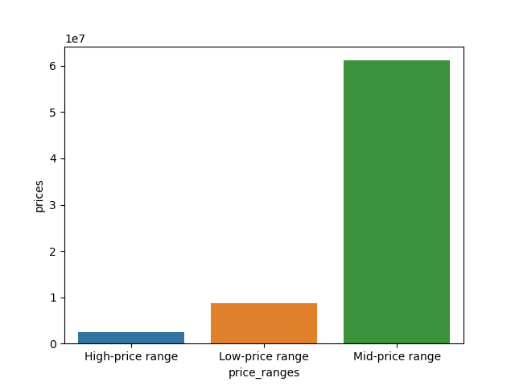
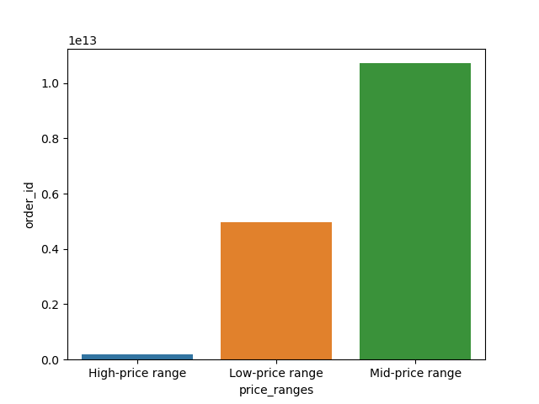
 |  |  | Title page

Visualisations

In this tab you should include all the visualtions from Exercises 4.9 and 4.10, alongside the questions from the project brief that they answer. Include any commentary on the relationship between different variables.

1. Comparing Loyalty of the customers to hour of day, day of week, and department |  | Regular customers lead in most money spent for each day of the week and for each hour of the day. Majority of the loyal customers shop first thing in the morning.
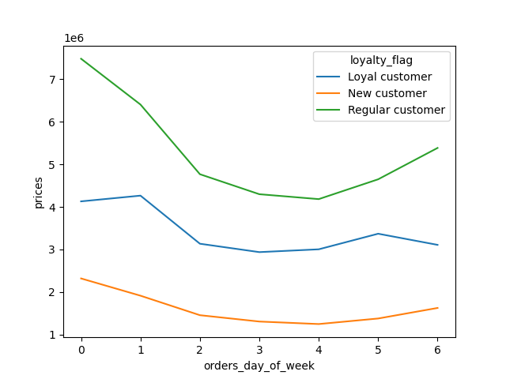
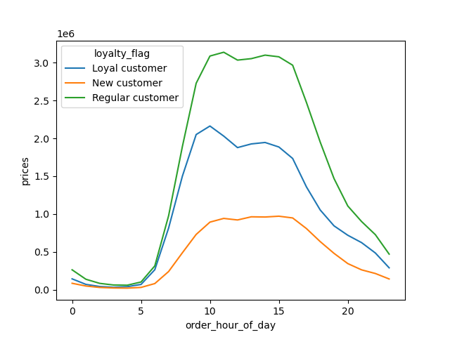

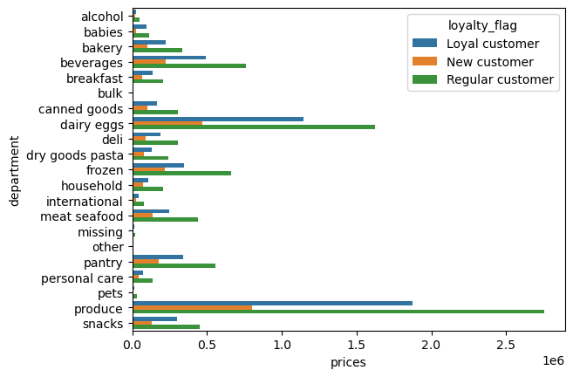

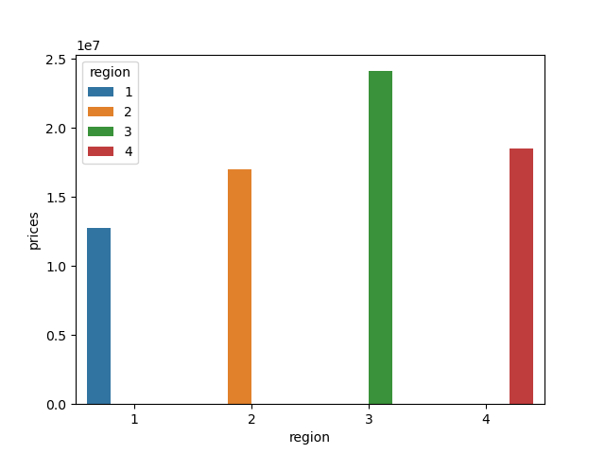
 |  |  |  |  | Region 3 has the most money spent with Region 1 being the lowest amount spent.
2. Comparing regions and day of week, hour of day, and departments
 |  |  |  | the region dept bar below shows the number of orders for each region. Produce and Dairy being the 2 most popular departments.
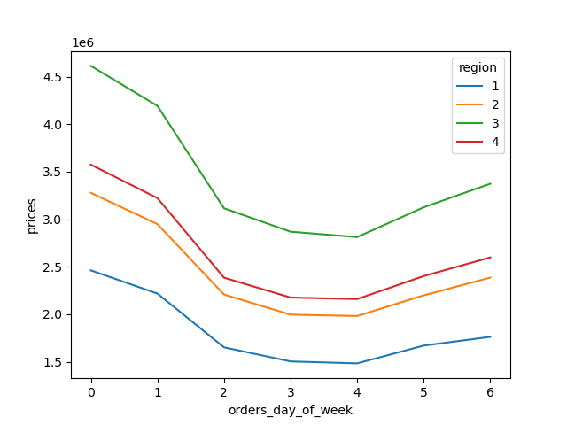
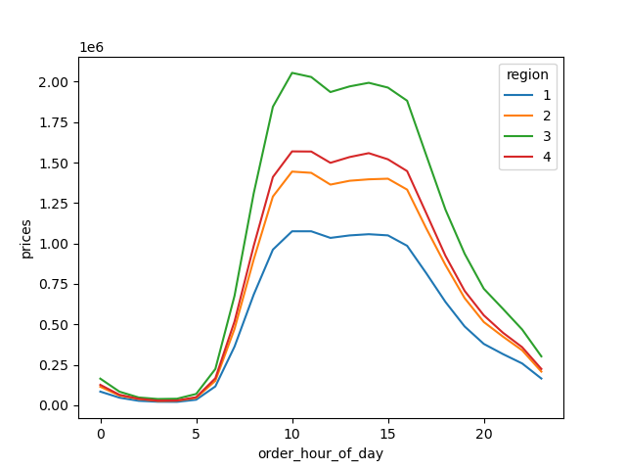

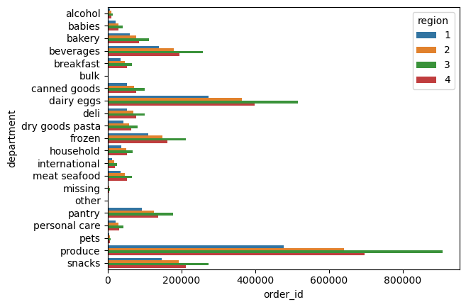

3. Comparing family profiles and regions to day of week, hour of day, departments. |  |  |  | Married with children is the overwhelming majority of the clients that shop at Instacart for all regions

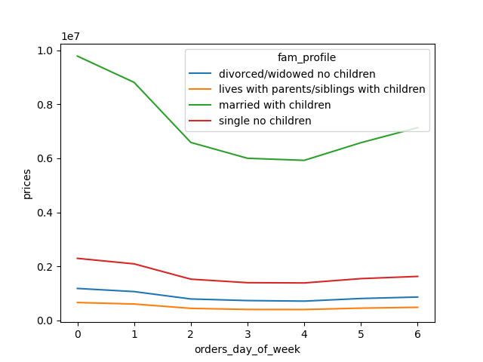
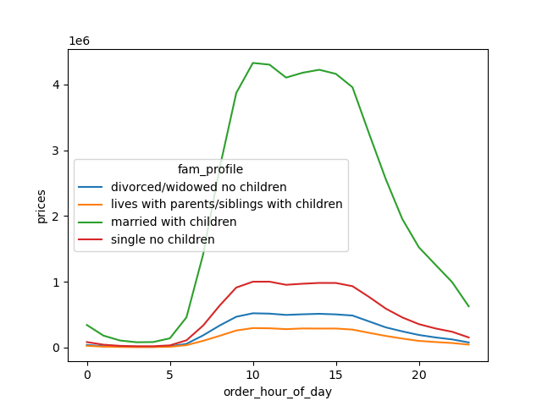

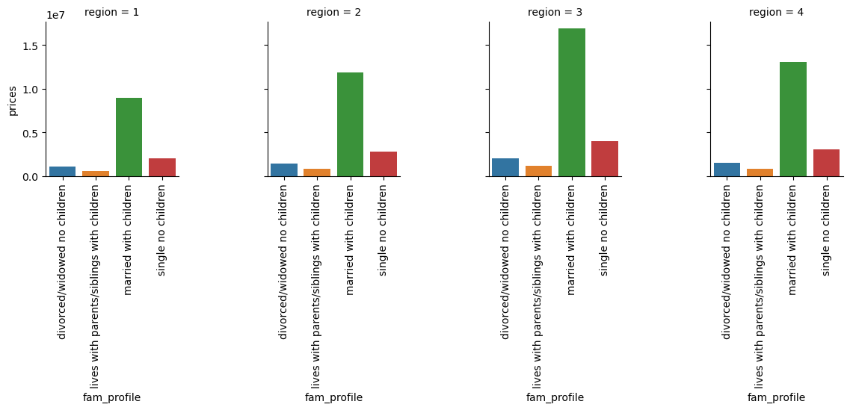

4. Comparing the total amount of money spent to the day of the week and hour of day.
 | These graphs answer the first business question. The busiest days of the week and hours of the day. The busiest days are Saturday and Sunday. The busisest time periods are between hour 9 and hour 16 (4 pm) by overall total price and also the number of orders.
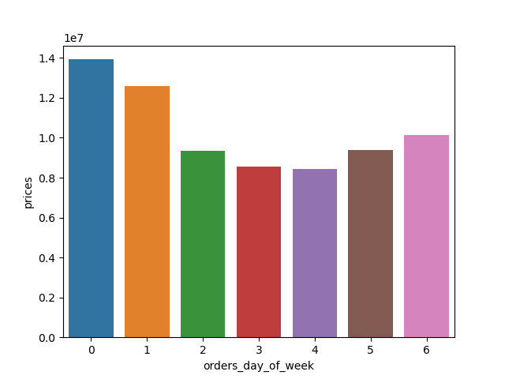
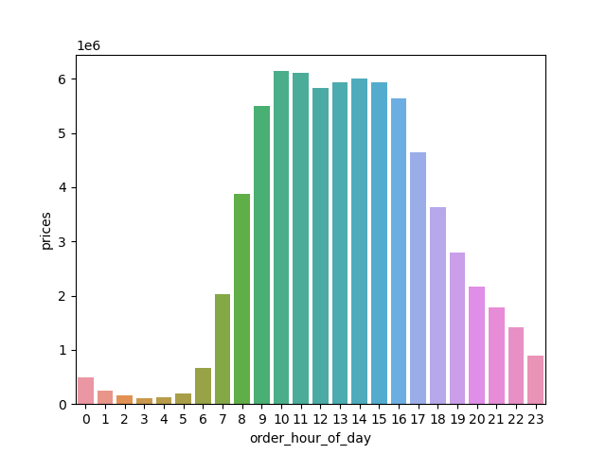
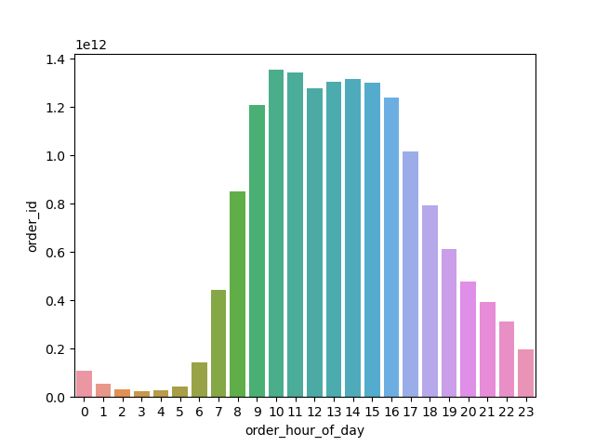

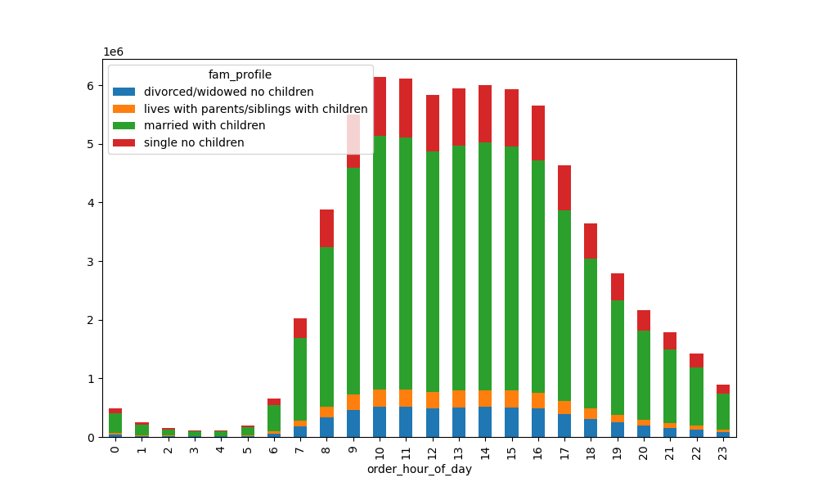
5. Other charts to consider
People with a lower income do not spend as much as the other income groups
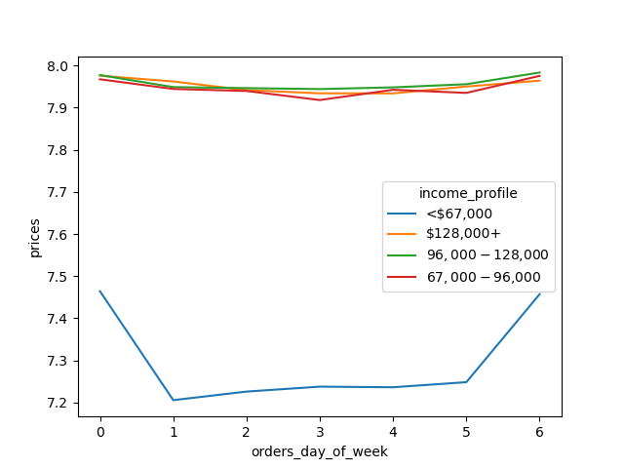

The last two graphs display the difference in total money spent on the 3 ranges of products, as well as, the number of orders for each price range. The mid-range products have the most volume as well as the most total money spent.

7. Recommendations
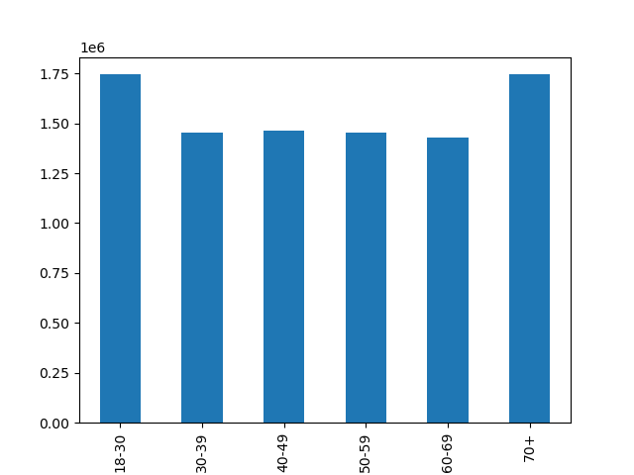
 |  |  |  |  |  | Title page

Recommendations

In this tab you should include any recommendations you would made to Instcart in terms of their marketing strategy based on the questions posed in the brief. Every key question has been covered in the Tasks of the Exercises - here you need to add an item - a visualisation or table/crosstable that is showing the answer in the data, acompanied by a comment from you. Please, list the questions below and add the answer underneath.
 |  |  |  |  |  |  | The number of products for each department

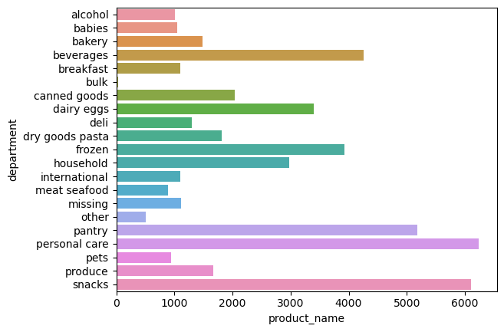

Question |  | Answer
The busiest days of the week |  | The busisest days of the week are Saturday and Sunday
 |  |  |  |  | Recommendations

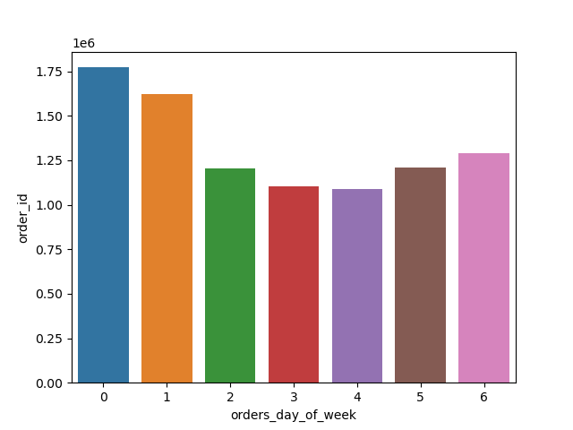
 |  |  |  |  | My recommendations based off of the questions from the brief, as well as, the stakeholders interests are as follows:

 |  |  |  |  | Prioritize ads for the departments that have a low number of sales but a high number of products. Such as beverages, frozen, pantry, snacks, personal care, and snacks to name a few.

 |  |  |  |  | Provide promotions to common department items such as produce or dairy items.

 |  |  |  |  | Schedule the ads to run in the morning and in the evening when there are not as many orders occuring.

 |  |  |  |  |  |  | The number of orders for each department
 |  |  |  |  | Most orders occur on the weekends, so additional ads and promotions through the week would be beneficial.
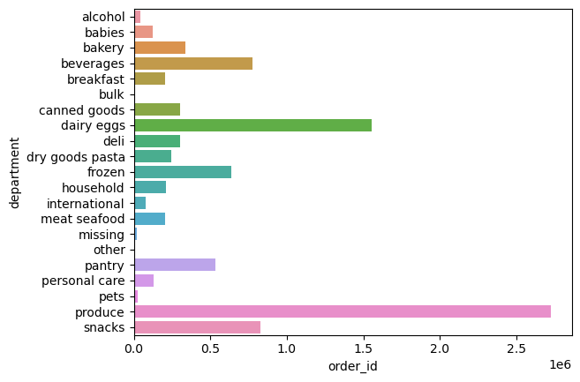

 |  |  |  |  | Largest customer profile group is the married with children group as well as the under 30 group. Targeting ads to young parents should boost the babies, household, snacks, and personal care departments

The times with the most orders |  | The times with the most orders are between the hours of 9-4

Times of the day where the most money is spent |  | The time of day where the most money is spent is the 10th hour.

Difference between price range groups and the most popular price range for customers |  |  | The mid-range products are the most popular and also have the most money spent on these items

Which departments have the highest frequency of product orders |  |  | Produce and Dairy have the 2 highest amount of orders over all regions.

Distribution of customers | The distribution of customers is right skewed. The mean is 7 days until retrun and the average is 9.96 days

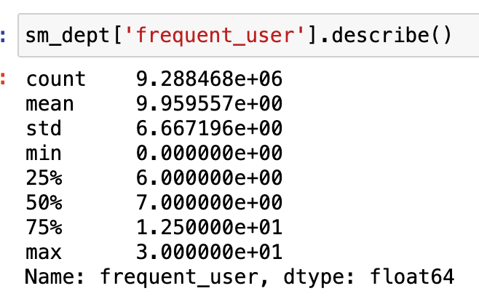

Loyal customer habits |  |  | Regular customers spend the most throughout the day and every day of the week. Loyal customers have a similar rate to regular customers between the hours of 7-9

region customer habits |  |  |  | All regions have similar spending habits through the week and each day.

age and family status vs customer habits

